Check 2
Check: Compare calculated DoF against actual DoF for a given lens

Oly 60/2.8 Macro

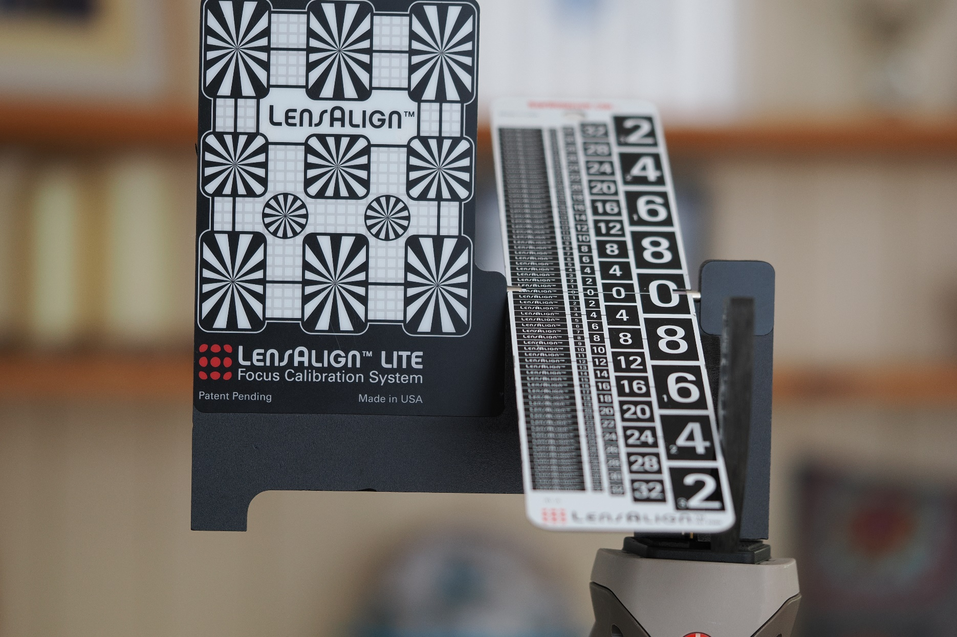
Spreadsheet calculations
Near DoF |  |  |  |  |  | Aperture f
 | Subj. Dist. | 2.8 | 3.5 | 4 | 4.5 | 5.6 | 6.7 | 8
 | 0.25 | 0.7 | 0.9 | 1.0 | 1.2 | 1.4 | 1.7 | 2.1
 | 0.5 | 2.9 | 3.6 | 4.1 | 4.6 | 5.8 | 6.9 | 8.2
 | 1 | 11.5 | 14.4 | 16.4 | 18.4 | 22.8 | 27.2 | 32.3

Actual from calibrated photos

Full DoF, raw count, 1/8" increments
 |  | 2.8 | 3.5 | 4 | 4.5 | 5.6 | 6.7 | 8
 | 0.25 | 0.2 | 0.25 | 0.3 | 0.5 | 0.6 | 0.8 | 1
 | 0.5 | 3 | 3 | 3 | 4 | 5 | 6 | 7
 | 1 | 7 | 10 | 11 | 13 | 15 | 18 | 21

Half of full DoF, Cos(30) adjusted, mm |  |  |  |  |  |  | cos(30): | 0.86602540378
 |  | 2.8 | 3.5 | 4 | 4.5 | 5.6 | 6.7 | 8
 | 0.25 | 0.27 | 0.34 | 0.41 | 0.69 | 0.82 | 1.10 | 1.37
 | 0.5 | 4.12 | 4.12 | 4.12 | 5.50 | 6.87 | 8.25 | 9.62
 | 1 | 9.62 | 13.75 | 15.12 | 17.87 | 20.62 | 24.75 | 28.87

Difference
 |  | 2.8 | 3.5 | 4 | 4.5 | 5.6 | 6.7 | 8
 | 0.25 | 0.45 | 0.56 | 0.62 | 0.48 | 0.62 | 0.63 | 0.69
 | 0.5 | -1.22 | -0.51 | 0.01 | -0.86 | -1.11 | -1.37 | -1.43
 | 1 | 1.91 | 0.63 | 1.27 | 0.53 | 2.18 | 2.41 | 3.39
 |  |  |  |  |  |  |  |  |  | Example photo for sd=1.0, f2.8. DoF examined at 100%. Note angle of scale at 30°
Relative error
 |  | 2.8 | 3.5 | 4 | 4.5 | 5.6 | 6.7 | 8 |  | Of 0.25, 0.5, & 1 | Of 0.5 & 1
 | 0.25 | 226% | 226% | 208% | 96% | 104% | 79% | 69% | Average: | 46% | -4%
 | 0.5 | -42% | -17% | 0% | -21% | -22% | -23% | -20% | Maximum: | 226% | 42%
 | 1 | 27% | 6% | 12% | 4% | 15% | 13% | 16% | RMS: | 93% | 20%

Err squared
 |  | 2.8 | 3.5 | 4 | 4.5 | 5.6 | 6.7 | 8
 | 0.25 | 511% | 510% | 434% | 92% | 109% | 63% | 48%
 | 0.5 | 18% | 3% | 0% | 5% | 5% | 5% | 4%
 | 1 | 7% | 0% | 1% | 0% | 2% | 2% | 3%

Commentary
Taking half of the apparent full DoF to represent the near DoF is an approximation.
The LensAlign target offers divisions of 1/8" -- too large for accurate estimates at sd = 0.25, and imprecise at sd=0.5.
Examining the photos on-screen introduces a different CoC, subjective bias, and subjective variability, their values unknown.
Nevertheless, considering sd = 0.5 and 1: average, maximum, and RMS errors fall within acceptable ranges.

